sampal for hl (1784)
Estimate
Item Name - Chowker (N-562) |  |  | Date - 7.3.26 | Pce - | GW | 145.720
Sno. | items |  | Particular | Unit | Pcs | Weight | Rate | Amount
1 | Pure Gold |  | Gold-24K | Grms |  | 23.490 | 16350 | 384061.50
 |  |  | Gold-18K | Grms |  | 48.100 | 12263 | 589826.75
 |  |  |  | Total |  | 71.590

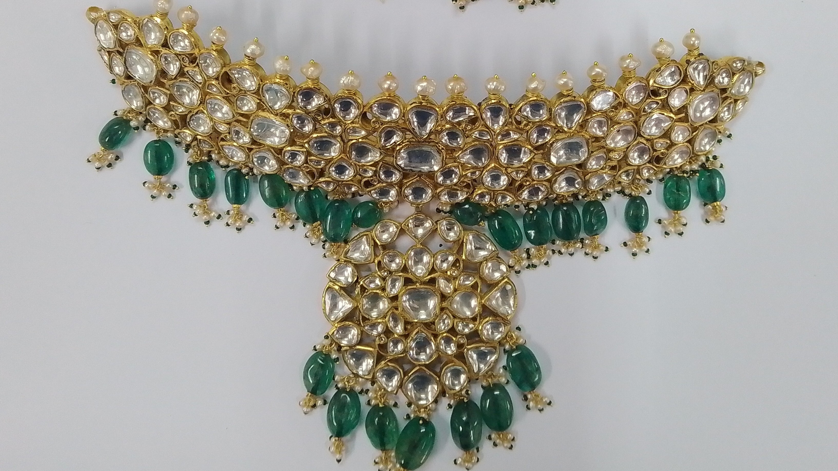
2 | Polki | 1 | Polki | ctr | 6 | 3.60 | 15000 | 54000.00
 |  | 2 | polki | ctr |  | 27.10 | 10000 | 271000.00
 |  | 3 | polki | ctr |  |  |  | 0.00
 |  | 4 | Polki | ctr |  |  |  | 0.00
 |  | 5 | Polki | ctr |  |  |  | 0.00
 |  | 6 | Polki | ctr |  |  |  | 0.00
 |  | 7 | Rosecut | ctr |  |  |  | 0.00
 |  | 8 | Polki- HL -GK | ctr |  |  |  | 0.00
3 | Colour Stone | 1 | Emrald Mani | ctr |  | 93.60 | 800 | 74880.00
 |  | 2 | KC Moti | ctr |  | 31.10 | 400 | 12440.00
 |  | 3 | Moti | ctr |  |  |  | 0.00
 |  | 4 | Utrai- | ctr |  |  |  | 0.00
 |  |  | Total |  |  | 155.40
 |  | 1 | iron | Grms
4 | Making Charges |  |  |  |  |  |  | 30000.00
 |  |  | Wax | Grms |  | 43.050
 | Wastage Charges |  |  |  |  | 5.5315 | 16350 | 90439.67
 |  |  |  |  |  | Cost ( Rs. ) |  | 1506647.93
 |  |  |  |  |  | Add profit-9% |  | 135598.35
 |  |  |  |  |  | Net Amount ( Rs. ) |  | 1642246.28

